Sheet1
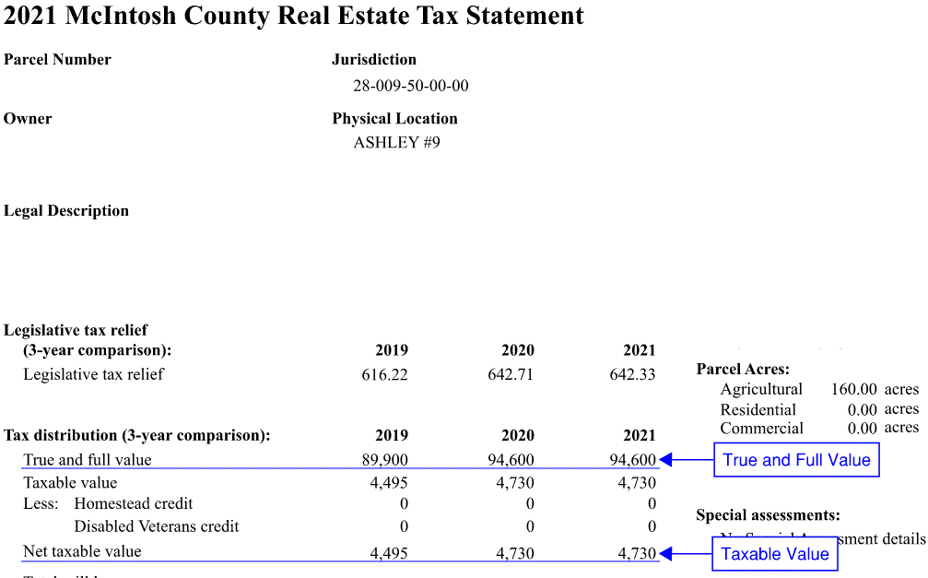
Tax Impact Calculator
 |  | Mill Increase as noted on the ballot = | 38.84
Residential Property
Taxable Value | Annual Increase | Monthly Increase
$5,382.00 | $209.02 | $17.42

True And Full Value | Annual Increase | Monthly Increase
$119,600.00 | $209.02 | $17.42

Commercial / Agricultural Property
Taxable Value | Annual Increase | Monthly Increase
$4,730.00 | $183.70 | $15.31

True And Full Value | Annual Increase | Monthly Increase
$94,600.00 | $183.70 | $15.31

Real Estate Tax Statement Example - Residential
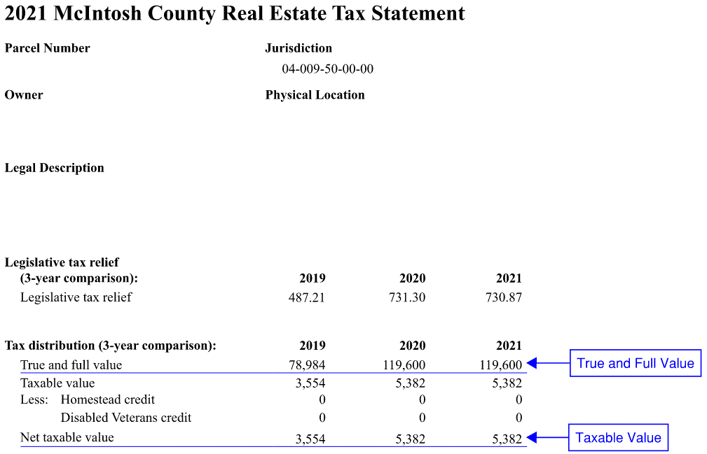

Real Estate Tax Statement Example - Agricultural

